About
BPMCCS BAU Policy Mandated Capacity Construction Schedule

Sources: | Planned Capacity Additions till 2027 (conventional sources) | Capacity Additions 2030 (for calculation only - not used)
 | Central Electricity Authority | Central Electricity Authority
 | National Electricity Plan | Draft Report on Optimal Generation Mix for 2029-30
 | 2018 | 2019
 | http://www.cea.nic.in/reports/committee/nep/nep_jan_2018.pdf | http://cea.nic.in/reports/others/planning/irp/Optimal_generation_mix_report.pdf
 | Annexures 5.1, 5.2, 5.3, 5.4 | Table 4

 | Planned Capacity Additions till 2022 (RE) | RE Wind, Solar, Biomass, SHP capacity target - 2022
 | Central Electricity Authority | NITI Aayog
 | National Electricity Plan | Report of the Expert Group on 175 GW RE by 2022
 | 2018 | 2015
 | http://www.cea.nic.in/reports/committee/nep/nep_jan_2018.pdf | https://niti.gov.in/writereaddata/files/175-GW-Renewable-Energy.pdf
 | Table 6.3 | Page iv

 | Actual RE capacity additions 2017,2018, 2019 | Actual capacity retirements 2017,2018, 2019
 | Central Electricity Authority | see variable elec/BCRbQ
 | Monthly Installed Capacity Reports
 | Dec- 2017, 2018, 2019
 | http://www.cea.nic.in/reports/monthly/installedcapacity/2017/installed_capacity-12.pdf
 | http://cea.nic.in/reports/monthly/installedcapacity/2018/installed_capacity-12.pdf
 | http://cea.nic.in/reports/monthly/installedcapacity/2019/installed_capacity-12.pdf

 | Analysis of progress towards 175 GW target
 | CRISIL
 | REturn to Uncertainty
 | 2019
 | https://www.crisil.com/en/home/our-analysis/reports/2019/10/return-to-uncertainty.html
 | Projected RE installed capacity for FY22

 | Classification of large hydro as RE | Pumped hydro
 | Hindu/Central Electricity Authority | Central Electricity Authority
 | New hydro policy to help meet renewables target | Sep-19
 | 2019 | Pumped Storage Development in India
 | https://www.thehindu.com/business/Economy/hydro-policy-target/article26561711.ece | http://www.cea.nic.in/reports/monthly/hydro/2019/pump_storage-09.pdf

Note:
The purpose of this variable is to specify the electricity generating capacity
in MW that will be built each year in the BAU case before the model considers
what else to build in order to satisfy demand, satisfy an RPS (in the policy
case), etc.

In the India EPS, the geothermal plant type is repurposed as pumped hydro capacity.

Conventional Sources (including large hydro): National Electricity Plan (NEP) is considered
the main source for capacity additions till 2027 for conventional sources.

Renewable Energy Sources (RES):
RES addition is adjusted by NEP to reach 175 GW by 2022. However, the target is less than 50% reached as of 2019.
with downward trends in solar and wind capacity additions in the recent years. A study by CRISIL
estimates that only 104 GW would be achieved by 2022 (which is ~60% of the intended target),
due to various hurdles in project commissioning. We assume this conservative estimate till 2022.
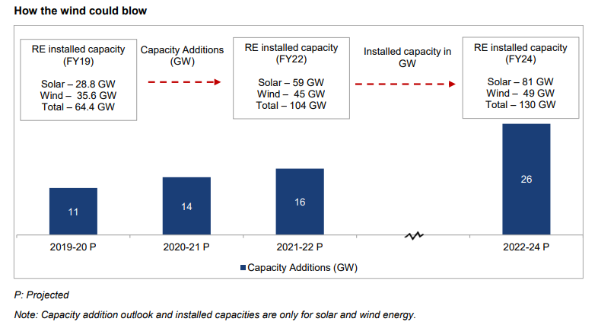

The balance capacity remaining, after subtracting the current RE capacities
from the CRISIL estimate, is apportioned between 2020 to 2022 for wind and solar.
For SHP, biomass (and MSW), the targets are already almost reached, and we assume that
they will continue to grow at the same rate till 2022 to help reach the 175 GW combined target.

In case of 2018 and 2019, actual capacity added is used for the mandated values as actuals are available.
This helps to keep the BAU closer to reality. Since the installed capacity data reported by CEA reflects net capacity added
that account for retirements of fossil fuel plants, we add these back in from BCRbQ while adjusting for yearly deployments.
In case of no capacity added in 2018 & 2019, or capacity only retired (i.e. negative capacity additions),
a negligible capacity of 1 MW is added to avoid zero values to model input.

Note: The draft Optimal Generation Mix for 2029-30 by CEA contains higher targets of RE by 2030 which would be in line with NDC target of:
40% installed capacity is from non-fossil fuels.
If we subtract [existing capacity + NEP additions till 2022] from the 2030 target of the optimal gen mix,
we are still left with a balance of capacities that can be added between 2023-30, for wind, solar, hydro and coal.
(Further, there are media reports of verbal announcements of a 450 GW RE target by 2030, under the Paris Agreement.
However, the target is yet to be reflected in official policy documents of MNRE or CEA).
Hence, we don't account for this balance capacity between 2023-30, as the draft report is not an official plan like the NEP,
and more suited to a high RE scenario than a BAU.

